API Testing
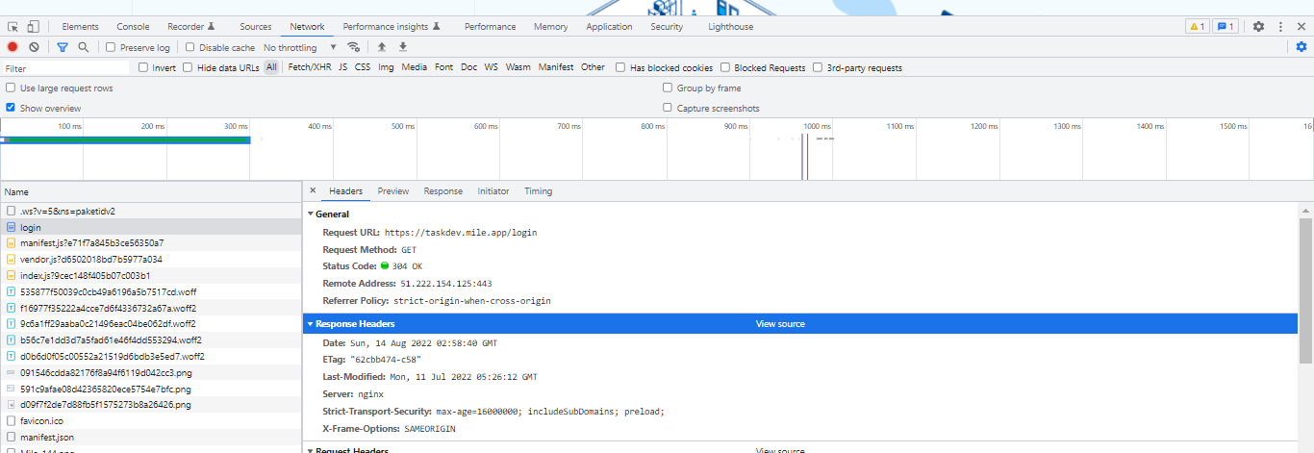
No | Case | Type | Scenario Description | Environment / Browser | Step | Expected Result | Actual Execution Time | Status Test Case | Actual Result | Tester | Notes
TC05 | Login | API Testing | Checking API |  |  |  |  |  |  |  | Request URL: https://taskdev.mile.app/login

